Feature Test Cases (Sys Lvl)
ID |  | Link to requirements | Status | Release | Author | Comment | Test result | Test result comment | Picture | Comments on picture
Scenario 1: Shuttle driving from pickup location to drop location in straight path at variable velocity based on steering angle without any interruptions like traffic light or obstacle (Happy Path)
TC_ETA001 | Precondition: a. Place the Model Car inside Model City b. Start the nodes HMI SW, Server, ETA, path planner, trajectory controller, decision core and localization c. Traffic lights should be turned ON and Green Test Step 1: Start ROS bag recording with topics /planned_path, /eta, /state and /odom. CSV file will automaticall record when state changes to driving after user is boarded. Expected Result 1: ETA should not update in internal HMI Test Step 2: Initiate booking request with pickup and drop location in straight path Expected Result 2: Car should start driving to pickup location. ETA should not update in internal HMI Test Step 3: Wait for the car to reach pickup location Expected Result 3: ETA should not update in internal HMI Test Step 4: Show QR code and complete user authorization at pickup location Expected Result 4: ETA should not update in internal HMI Test Step 5: Let the car drive from pickup location and reach to the drop location Expected Result 5: ETA should update (with HH:MM:SS format) in internal HMI while car is in driving state. Once car reaches destination, "Destination reached" should be shown in HMI Test Step 6: Stop recording the ROS bag Expected Result 6: ETA should not update in internal HMI. Acceptance Criteria: Use the recorded CSV file to check the following criteria: a. ETA jump between 2 consecutive values should be less than 5 s b. When the velocity gradually increases from 0.0 m/s to a constant value, then ETA should decrease (from high value at 0.0 m/s) - visual check c. During constant velocity (± 0.04 m/s), ETA should remain constant (± 2 s) | Sys001, Sys002, Sys003, Sys005 | Tested | M6 | Surendrakumar Koganti |  | Pass | All the expected results after every test step are satisfied. Acceptance criteria are also satisfied. KPI 1: Consecutive ETA Jump Stability Requirement : ETA jump between 2 consecutive values should be less than 5 s Quantitative Metrics: Total samples : 493 Max ETA jump : 1.00 s Mean ETA jump : 0.13 s 95th percentile jump : 0.81 s Violations : 0 Violation rate : 0.00 % KPI 2: ETA stability during constant velocity Requirement: During constant velocity (± 0.04 m/s), ETA should remain constant (± 2 s) Quantitative Metrics: Evaluated sequences : 4 Evaluated driving time : 11.27 s ETA stability success rate: 100.00 % Violation rate : 0.00 % Mean ETA variation : 0.66 s Worst-case ETA variation : 1.22 s | 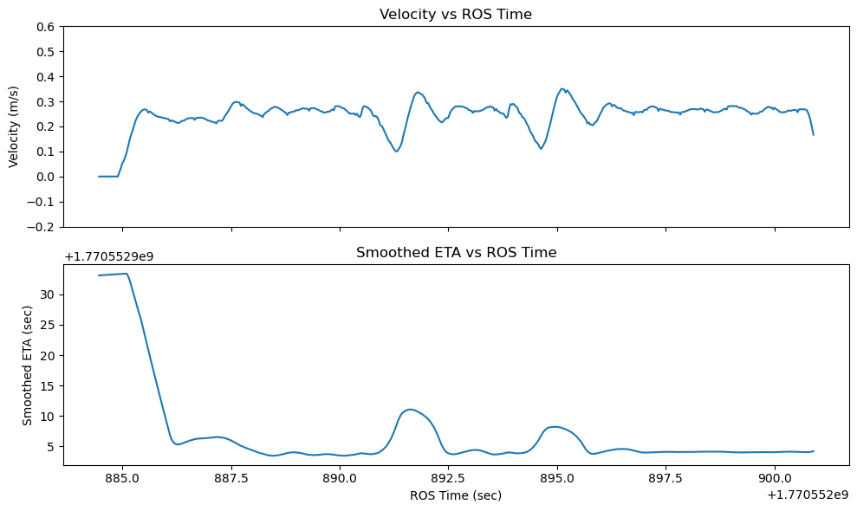 | Graph is plotted from CSV file (which was recorded once the user is boarded and the shuttle starts driving). Observations: 1. ETA starts at high value because velocity is 0 m/s in the beginning and later as velocity increases, ETA decreases accordingly and smoothly. 2. During constant velocity (with less variation), ETA remains almost constant without fluctuations.
Scenario 2: Shuttle driving from pickup location to drop location in straight path at variable velocity based on steering angle with traffic light interruption
TC_ETA002 | Precondition: a. Place the Model Car inside Model City b. Start the nodes HMI SW, Server, ETA, path planner, trajectory controller, decision core and localization c. Traffic lights should be turned ON and Red Test Step 1: Start ROS bag recording with topics /planned_path, /eta, /state and /odom. CSV file will automaticall record when state changes to driving after user is boarded. Expected Result 1: ETA should not update in internal HMI Test Step 2: Initiate booking request with pickup and drop location in straight path Expected Result 2: Car should start driving to pickup location. ETA should not update in internal HMI Test Step 3: Wait for the car to reach pickup location Expected Result 3: ETA should not update in internal HMI Test Step 4: Show QR code and complete user authorization at pickup location Expected Result 4: ETA should not update in internal HMI Test Step 5: Let the car start driving towards drop location from pickup location Expected Result 5: ETA should update (with HH:MM:SS format) in internal HMI while car is driving. Test Step 6: When shuttle has stopped at the Red traffic light, change the traffic light to Green after 20 s. Expected Result 6: Until traffic light is Red, the ETA should increase by 1 s for every 1 s waiting time (car is completely stopped and velocity is 0.0 m/s). When the traffic light changes to Green, ETA should decrease (or react) based on the velocity of the car. Test Step 7: Wait for the car to reach drop location Expected Result 7: ETA should update in internal HMI until car is in driving state. Once shuttle reaches destination, "Destination reached" should be shown in HMI Test Step 8: Stop recording the ROS bag Expected Result 8: ETA should not update in internal HMI. Acceptance Criteria: Use the recorded CSV file to check the following criteria: a. ETA jump between 2 consecutive values should be less than 5 s b. When the velocity gradually increases from 0.0 m/s to a constant value, then ETA | Sys001, Sys002, Sys003, Sys004, Sys005 | Tested | M6 | Surendrakumar Koganti |  | Pass | All the expected results after every test step are satisfied. Acceptance criteria are also satisfied. KPI 1: Consecutive ETA Jump Stability Requirement : ETA jump between 2 consecutive values should be less than 5 s Quantitative Metrics: Total samples : 1080 Max ETA jump : 1.24 s Mean ETA jump : 0.12 s 95th percentile jump : 0.61 s Violations : 0 Violation rate : 0.00 % KPI 2: ETA stability during constant velocity Requirement: During constant velocity (± 0.04 m/s), ETA should remain constant (± 2 s) Quantitative Metrics: Evaluated sequences : 2 Evaluated driving time : 6.37 s ETA stability success rate: 100.00 % Violation rate : 0.00 % Mean ETA variation : 0.52 s Worst-case ETA variation : 0.85 s KPI 3: ETA slope during temporary stop Requirement: Slope of ETA should be 1 during Red state of traffic light Quantitative Metrics: Evaluated red-light sequences : 1 Total standstill time : 19.43 s Compliance rate : 100.00 % Mean ETA slope : 1.000 Mean slope error : 0.000 95th percentile slope error : 0.000 Worst-case slope error : 0.000 | 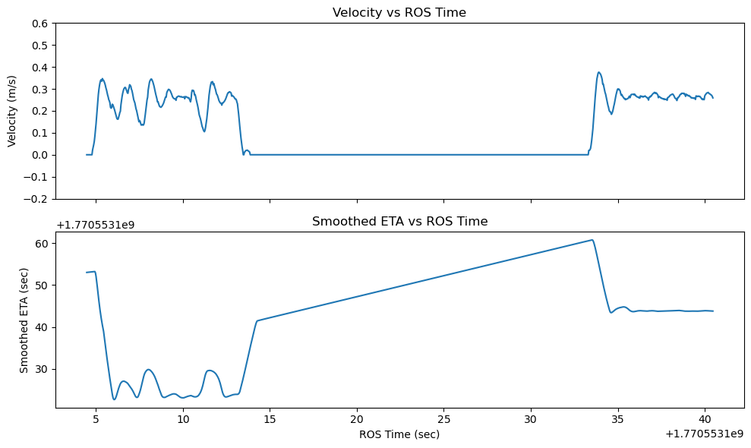 | Graph is plotted from CSV file (which was recorded once the user is boarded and the shuttle starts driving). Observations: 1. ETA starts at high value because velocity is 0 m/s in the beginning and later as velocity increases, ETA decreases accordingly and smoothly. 2. During temporary stop at traffic light for 20 s, velocity becomes 0 and the ETA can be seen increasing with slope of 1. 3. After the traffic light is Green , shuttle resumes journey and ETA gets adjusted based on velocity. 4. During constant velocity (with less variation), ETA remains almost constant without fluctuations.
Scenario 3: Shuttle driving from pickup location to drop location in straight path at fixed velocity without any interruptions like traffic light or obstacle
TC_ETA003 | Precondition: a. Place the Model Car inside Model City b. Start the nodes HMI SW, Server, ETA, path planner, decision core and localization c. Set velocity to constant (0.5 m/s) by passing the argument and launch the trajectory controller node d. Traffic lights should be turned ON and Green Test Step 1: Start ROS bag recording with topics /planned_path, /eta, /state and /odom. CSV file will automaticall record when state changes to driving after user is boarded. Expected Result 1: ETA should not update in internal HMI Test Step 2: Initiate booking request with pickup and drop location in straight path Expected Result 2: Car should start driving to pickup location. ETA should not update in internal HMI Test Step 3: Wait for the car to reach pickup location Expected Result 3: ETA should not update in internal HMI Test Step 4: Show QR code and complete user authorization at pickup location Expected Result 4: ETA should not update in internal HMI Test Step 5: Let the car drive from pickup location and reach to the drop location Expected Result 5: ETA should update (with HH:MM:SS format) in internal HMI while car is in driving state. Once car reaches destination, "Destination reached" should be shown in HMI Test Step 6: Stop recording the ROS bag Expected Result 6: ETA should not update in internal HMI. Acceptance Criteria: Use the recorded CSV file to check the following criteria: a. ETA jump between 2 consecutive values should be less than 5 s b. When the velocity gradually increases from 0.0 m/s to a constant value, then ETA should decrease (from high value at 0.0 m/s) - visual check c. During constant velocity (± 0.04 m/s), ETA should remain constant (± 2 s) d. Throughout the journey from pickup to drop location, estimated ETA should not be deviated by more than ±15% of calculated ETA value (using constant velocity) | Sys001, Sys002, Sys003, Sys005, Sys006 | Tested | M6 | Surendrakumar Koganti |  | Pass | All the expected results after every test step are satisfied. Acceptance criteria are also satisfied. KPI 1: Consecutive ETA Jump Stability Requirement : ETA jump between 2 consecutive values should be less than 5 s Quantitative Metrics: Total samples : 520 Max ETA jump : 1.26 s Mean ETA jump : 0.08 s 95th percentile jump : 0.87 s Violations : 0 Violation rate : 0.00 % KPI 2: ETA stability during constant velocity Requirement: During constant velocity (± 0.04 m/s), ETA should remain constant (± 2 s) Quantitative Metrics: Evaluated sequences : 2 Evaluated driving time : 11.83 s ETA stability success rate: 100.00 % Violation rate : 0.00 % Mean ETA variation : 0.31 s Worst-case ETA variation : 0.39 s KPI 4: ETA accuracy in straight path with constant velocity and without temporary stop Requirement: Throughout the journey from pickup to drop location, estimated ETA should not be deviated by more than ±15% of calculated ETA value (using constant velocity) Quantitative Metrics: Calculated ETA: 13:09:58(18 s from departure time: 13:09:40) Estimated ETA: 13:10:00 (20 s from departure time: 13:09:40) Comment: Since the route is very short, the Estimated ETA is close to the devaiation percentage (±15%). | 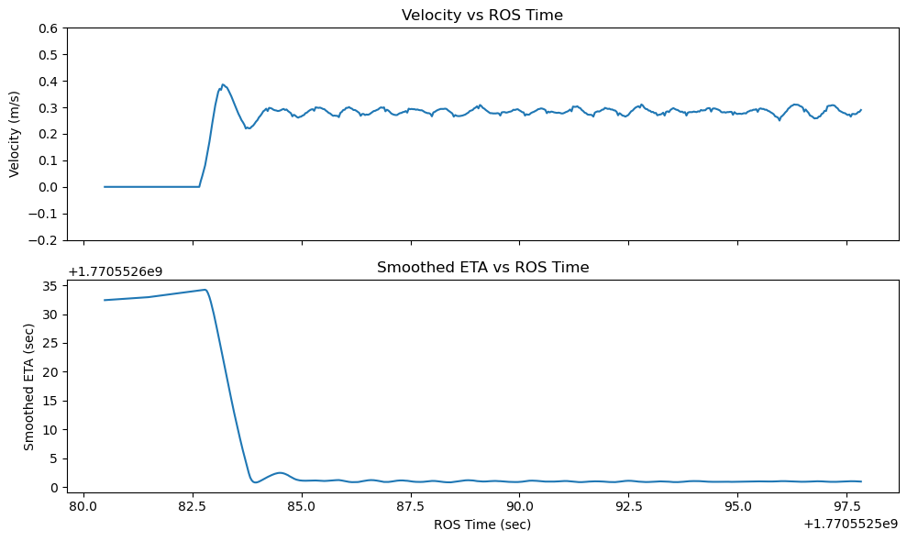 | Graph is plotted from CSV file (which was recorded once the user is boarded and the shuttle starts driving). Observations: 1. ETA starts at high value because velocity is 0 m/s in the beginning and later as velocity increases, ETA decreases accordingly and smoothly. 2. During constant velocity (with less variation), ETA remains almost constant without fluctuations.

